Sheet1
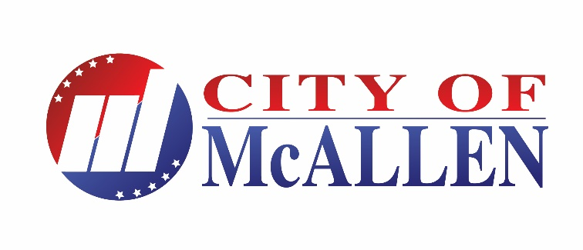 Official Results

 | District 4 - 10,542 Registered voters pursuant to certified count provided by the Hidalgo County Voter Registrar's Office | McAllen Board of Commissioners |  |  | TOTAL
 |  | District 4 - Unexpired Term |  |  | VOTES
 |  | Salazar | Garcia | Castillo | CAST
 | Election Day Polling Place District 4 - Palmview Community Center | 23 | 24 | 34 | 81

 | ELECTION DAY TOTALS | 23 | 24 | 34 | 81
 | EARLY VOTING

 | Personal Appearance | 48 | 199 | 188 | 438

 | Provisional Ballots/Mail Ballots | 0 | 24 | 3 | 28

 | TOTALS | 71 | 247 | 225 | 547
 | Percentage | 13.08% | 45.49% | 41.44%

