Sheet1
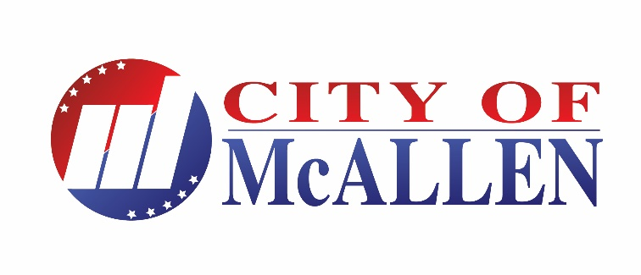 Official Results

 | District 4 - 12,603 Registered voters pursuant to certified count provided by the Hidalgo County Voter Registrar's Office | McAllen Board of Commissioners |  | TOTAL
 |  | District 4 |  | VOTES
 |  | Javier Salazar | Rodolfo "Rudy" Castillo | CAST
 | Election Day Polling Place Palmview Community Center | 24 | 60 | 85

 | ELECTION DAY TOTALS | 24 | 60
 | EARLY VOTING

 | Personal Appearance | 42 | 219 | 261

 | Provisional Ballots/Mail Ballots | 0 | 0

 | TOTALS | 66 | 279 | 346
 | Percentage | 19.13% | 80.87%

